Lug Calc Screenshots
210 - Files that carry over front and rear
 | 01 | Inboard Spherical Plate for PWB-4TG
 | 03 | Inboard Clevis
 | 05 | Inboard Clevis Shim
 | 07 | Inboard Clevis Inner Backing Plate

211 - Files specific to front control arms
 | 01 | F Upper Fore Tube
 | 03 | F Upper Aft Tube
 | 05 | F Lower Fore Tube
 | 07 | F Lower Aft Tube
 | 09 | F Upper OB Spherical Plate for HAB-4TG
 | 11 | F Lower OB Spherical Plate for HAB-4TG
 | 13 | F Lower OB Reinforcing Plate
 | 15 | F Pushrod Tab | 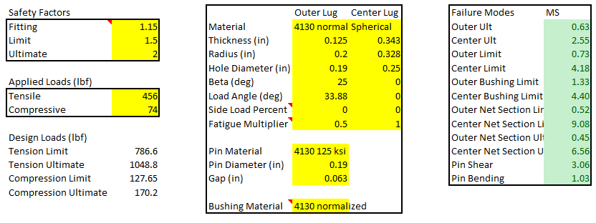
 | 17 | F Lower Inboard Clevis
 | 19 | F Lower Aft Inboard Clevis Spacer
 | 21 | F Lower Aft Inboard Clevis Backing

212 - Files specific to rear control arms
 | 01 | R Upper Fore Tube
 | 03 | R Upper Aft Tube
 | 05 | R Lower Fore Tube
 | 07 | R Lower Aft Tube
 | 09 | R Upper Outboard Spherical Plate
 | 11 | R Lower Outboard Spherical Plate
 | 13 | R Pushrod Tab
 | 15 | R Inner Tierod Mount

